Sheet1
 | Perycite |  |  | Affected Link |  | Other links
Perycite # | Coordinates | Volume | Contact Surface | Length (um) | Tortuosity | length | Tortuosity
1 | [199 183 140] 50 90 29 |  |  | 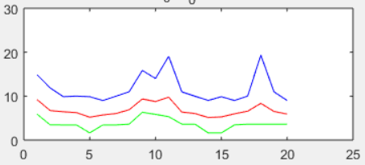
2 | [658 263 140] 570 175 29
3
4
5
6
7
8
9
10
11
12
13
14
15
16
17
18
19
20
21
22
23
24
25
26
27
28

